Appearnce Check Items
e.g.
 |  |  |  |  | Doc Ref. No : ISF-QA-112 | Rev : 00 | Date : 29.07.19
APPEARANCE CHECK ITEMS

№ | 3 | Oil groove angle to right | № | № |  | №
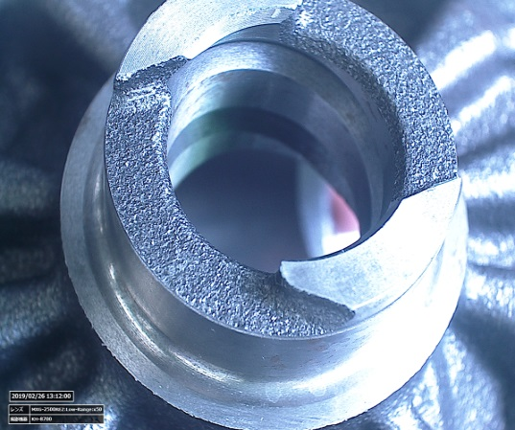
OK
№ |  |  | № | № |  | №

№ |  |  | № | № |  | №

